Script
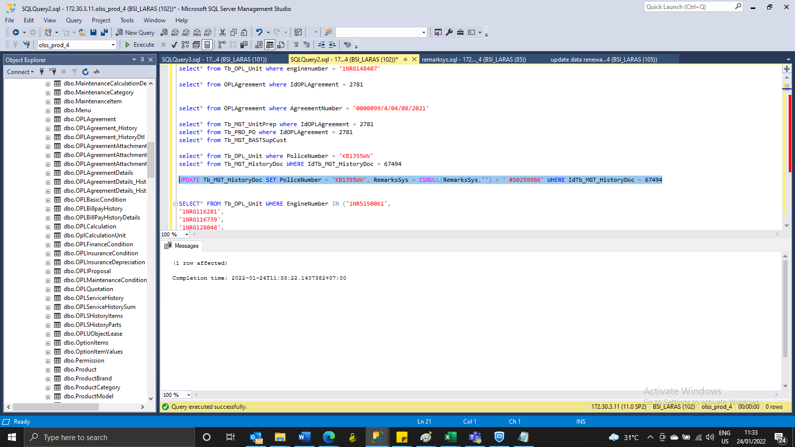
UPDATE Tb_MGT_HistoryDoc SET PoliceNumber = 'KB1355WV', RemarksSys = ISNULL(RemarksSys,'') + ' #S0259986' WHERE IdTb_MGT_HistoryDoc = 67494

SS
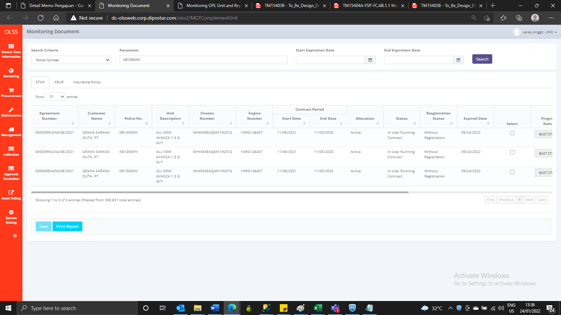
BEFORE

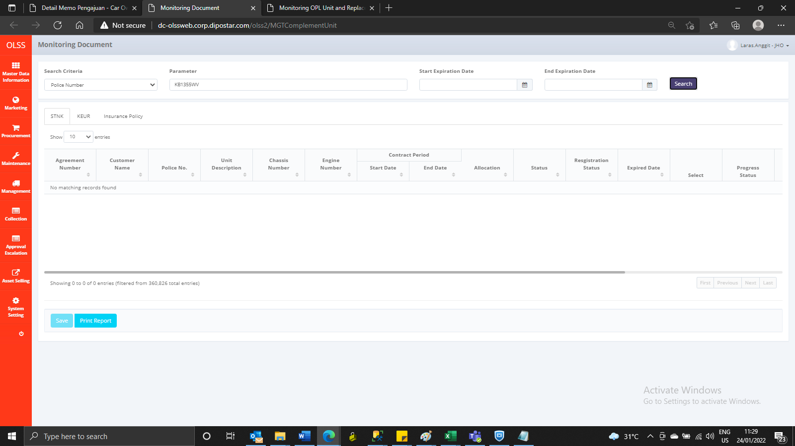

AFTER

